Section 1 & 2
1. DOCUMENT IDENTIFICATION

 | Document Identification
 | Project Name | RILey |  | Project No. | RILey001
 | Version | 1 |  | Date | 2022-05-16

 |  | Name |  | Signature |  | Date
 | Author | Alexandru Pășescu |  |  |  | 2022-05-16
 | Author | Quinvey Etienne |  |  |  | 2022-05-16
 | Author | Martijn Strolenberg |  |  |  | 2022-05-16
 | Author | Niels van Hinsberg |  |  |  | 2022-05-16
 | Author | Toby van Dueren den Hollander |  |  |  | 2022-05-16
 | Reviewed by | Reviewer |  | X |  | xx-xx-xxxx

 | Revision | Description |  | Changed by |  | Date
 | A | Initial Draft |  | All |  | 2022-05-16

2.1 PROJECT INFORMATION

 | MACHINE INFORMATION
 | Machine Name: |  | RILey Robot
 | Manufacturer: |  | Team RILey
 | Machine Type: |  | Reconnaissance Robot
 | Serial Number: |  | 1
 | Date of Manufacture: |  | 2022-05-09
 | Machine Certification: |  | N/a

 | DEVICE INFORMATION
 | Device Name: |  | RILey Robot
 | Manufacturer: |  | Team RILey
 | Device Type: |  | Reconnaissance Robot
 | Serial Number: |  | 1
 | Date of Manufacture: |  | 2022-05-09
 | Device Certification: |  | N/a

 | ASSESSMENT PERSONNEL / ASSESSMENT DATE
 | Initial Risk Assessment
 | Author: |  | Alexandru Pășescu |  | Date: | 2022-05-16
 | Author: |  | Quinvey Etienne |  | Date: | 2022-05-16
 | Author: |  | Martijn Strolenberg |  | Date: | 2022-05-16
 | Author: |  | Niels van Hinsberg |  | Date: | 2022-05-16
 | Author: |  | Toby van Dueren den Hollander |  | Date: | 2022-05-16

 | CUSTOMER PERSONNEL
 | Name: | Sjriek Alers |  | Function/ Job Title: |  | Lecturer, Client
 | Name: | Danny Hameeteman |  | Function/ Job Title: |  | Engineer, Project holder

2.3 METHOD OF RISK ANALYSIS

 | In accordance with ISO 12100, the risk assessment is implemented in a series of logical steps to enable a systematic examination of the hazards associated with machinery. Risk assessment is followed, whenever necessary by risk reduction as described in clause 6 of ISO 12100: 2010. When this process is repeated it gives an iterative process for eliminating hazards as far as possible and for implementing safety measures.
 | The risk assessment methodology approach includes: -- Risk analysis o Determination of limits o Hazard identification o Risk estimation -- Risk evaluation
 | The risk assessment provides the information required for the risk evaluation, which in turn allows judgements to be made on the safety of machinery.
 | The Diagram 1 shows the step-by-step process of risk analysis:
 | 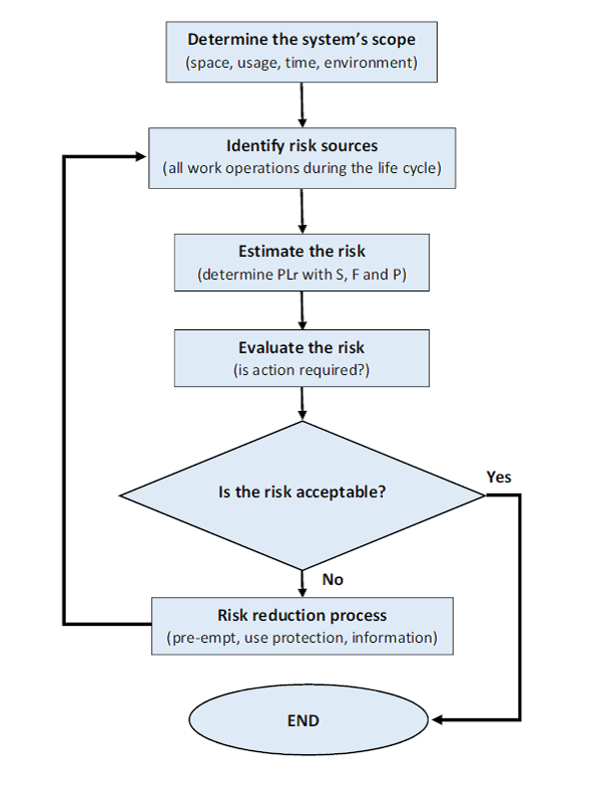
 | Diagram 1: Method of risk reduction

2.4 LIMIT OF REPORT

 | This risk assessment report is based on information that was accumulated during the on-site risk assessment of the RILey Robot at Fontys University of Applied Sciences on the 16-05-2022.
 | This risk assessment for work equipment examines significant hazards where risk reduction measures still need to be applied.
 | The information was accumulated in the following fashion: 1. Reviewing all available machine technical information 2. Conducting a physical examination of the machine
 | In order to ensure the accuracy of the risk assessment for the machine, it is imperative that the information provided on the date of the risk assessment be correct and reliable. Team RILey cannot take any responsibility for judgements made on inaccurate or lack of information.

 | Every effort is made to evaluate the risk associated with each hazard identified throughout the report, however it may not be possible to quantify the risk with all hazards. When this is not possible the hazards are assessed in relation to their conformance with all relevant Legislation. Each hazard is identified individually throughout the report; the outcome from the accumulation of hazards has not been evaluated.
 | Human error and misuse related to areas such as incorrect feeding of the machine, incorrect use of materials and operator ability to operate the machine are not considered to be under the scope of this report. Only clear foreseen misuse of the machine was considered.
 | Due to practical reasons not all the machine lifecycle was examined as part of this report, the following phases were excluded: - Assembly Installation - Decommissioning - Disposal - Transport - Construction - Commissioning

Section 3
3. MACHINE ASSESSMENT

3.1 BASIC MACHINE DESCRIPTION

 | The RILey robot is used as an autonomous reconnaissance platform for scanning (un)known locations suchs as buildings. This scanning task is performed by combining sensory data, and sending this to a remote server where this data can be processed and interpreted. The platform is powered by two motors which are connected to large wheels which also provide the damping of the platform.
 | Visualising the surroundings is accomplished by using a camera feed in combination with LIDAR and Time of flight sensor. The operator must be able to end the autonomous operation at any time, and resume operation via manual commands.
 | Because the platform is power by Li-ion battery packs, the operating time is around 1 hour.

 | 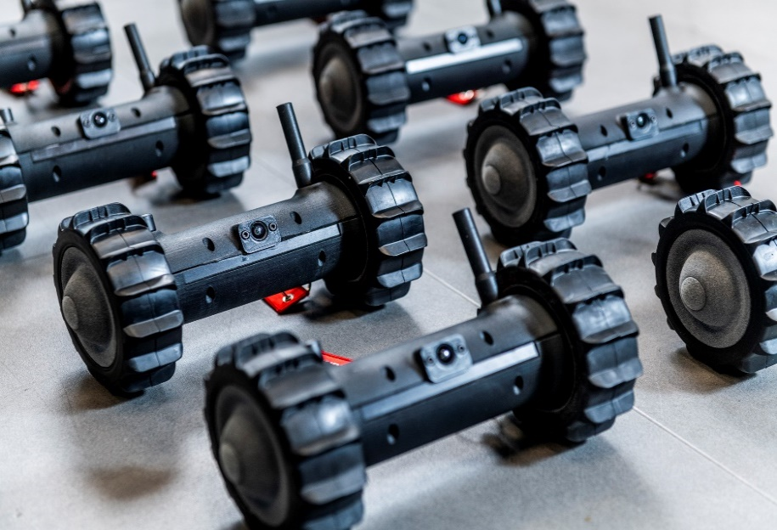 [place photo here]
 | Picture 1: Robotic cell used for risk assessment example

3.2 MACHINE CONTROL SYSTEM DESCRIPTION

 | The RILey robot is controlled by a Raspberry Pi model 4B. This controller controls the two stepper motors.

3.3 MACHINE SPECIFICATION

 | MACHINE LIMITS
 | Machine Name/Type |  | RILey Robot
 | Intended Environment: |  | Indoor
 | Required Training Level: |  | Basic Training
 | Operated by: |  | Operator, Maintenance Technician
 | Machine Lifetime: |  | 6 - 12 months
 | Machine Dimensions: |  | 230mm x 253mm x 155 mm
 | Machine Environment: |  | dry, clean, non explosive, non flammable.

 | OPERATIONAL AND MAINTENANCE INFORMATION
 | Operational Information
 | Emergency Stopping Time: |  | << 1 sec
 | Machine Cycle Time: |  | << 1 m/s
 | No. of Operators: |  | 1 in normal use
 | Maintenance Information
 | Maintened by: |  | Team RILey
 | Maintenance Frequency: |  | Not required
 | Cleaning: |  | No cleaning required
 | Jamming Repair: |  | Team RILey

 | POWER SOURCES
 | Control, Elec. Supply: |  | 2x 12V DC LI-ION battery pack

3.4 RISK ESTIMATION & EVALUATION CRITERIA

 | The Evaluation methodology is based on Pilz criteria and experience, an evaluation of the factors, Degree of Possible Harm (DPH), Probability of Occurrence of a Hazardous Event (PO), Possibility of Avoidance (PA) and Frequency and/or duration of Exposure (FE), and has been performed on the risk related with each hazard. A Pilz Hazard Rating has then been calculated from the following formula:
 | PHR = DPH x PO x PA x FE
 | Where the above parameters can take the following values:
 | Degree of Possible Harm (DPH) 0.25 Scratch / Bruise 0.5 Laceration / cut / mild ill health effect/ minor burns 3 Fracture minor bone – fingers, toes 5 Fracture major bone – hand, arm, leg 8 Loss of 1 or 2 fingers/ toes or major burns 11 Leg / hand amputation, partial loss of hearing or eye 15 Amputation of 2 legs/hands, total loss of hearing/sight in both ears/eyes 25 Critical injuries or permanent illness/condition/injury 40 Single Fatality 65 Catastrophe
 | Possibility of Occurrence of Hazard Event (PO) 0.05 Almost impossible 1.25 Unlikely 2.5 Possible 4 Probable 6 Certain
 | Possibility of Avoidance (PA) 0.75 Possible 2.5 Possible under certain circumstances 5 Not Possible
 | Frequency of Exposure (FE) 0.5 Annually 1 Monthly 2 Weekly 3 Daily 4 Hourly 5 Constantly
 | The maximum and minimum numerical values that could be assigned to each factor for every hazard are shown in the following table.

 | PHR |  | Risk |  | Comment
 |  | 1-10 | Negligible Risk |  | Presents practically no risk to health and safety, no further risk reduction measures are required.
 |  | 11-20 | Very Low Risk |  | Presents very little risk to health and safety, no significant risk reduction measures are required, may necessitate the use of personal protective equipment and/or training.
 |  | 21-45 | Low Risk |  | Risk to health and safety is present, but low. Risk reduction measures must be considered.
 |  | 46-160 | Significant Risk |  | The risk associated with the hazard is substantial enough to require risk reduction measures. These measures should be implemented at the next suitable opportunity.
 |  | 161-500 | High Risk |  | Potentially dangerous hazard, which requires risk reduction measures to be implemented urgently.
 |  | 501+ | Very high Risk |  | Risk reduction measures should be implemented immediately, corporate management should be notified.
 | Table X: PHR Numeric Range

 | After a complete examination of the machine based on applicable standards, a numerical value was determined for each factor while conducting the Risk Assessment and the Pilz Hazard Rating was calculated. The calculated number was then used to evaluate the risk associated with the hazard by comparison with predetermined acceptable levels.
 | The calculated Pilz Hazard Rating ranges from 1 to 9750 where 1 is the lowest showing minimum and 9750 is the highest risk.

3.5 Findings

 | Hazard Identification |  |  |  |  |  | Hazard No. | 1.1
 | Title | Falling Hazard |  |  |  | 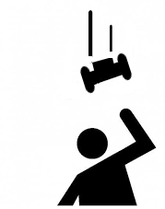
 | Location | Everywhere
 | Target | Head, shoulders, arms and feet
 | Activity | Normal operation
 | Task | Driving

 | Sub Task | Both Autonomous and Manual driving

$E$zw = m*g*h
$$Ek=\frac{1}{2}∗m∗v^2$$
 | Hazard Type | Mechanical Hazard with the consequence of collision
 | Description
$v=$8,9 m/s
The falling speed of the robot with a starting height of 4m is around 8.9 m/s.
 | References:
 | Risk Estimation and Evaluation
 | Degree of Possible Harm: |  |  | 25 | Possibility of Avoidance: |  |  | 0.75
 | Probability of Occurance of a Hazardous Event: |  |  | 2 | Frequency And/or Duration of Exposure: |  |  | 5
 | Pilz Hazard Rating (PHR): |  |  | 187.5 | Summary Level: |  | High Risk
 | Risk Reduction |  |  |  |  |  | Reference
 | Nessecery, add a time of flight sensor so it can detect a cliff and will stop before it falls off.

 | Risk Estimation and Evaluation
 | Degree of Possible Harm: |  |  | 25 | Possibility of Avoidance: |  |  | 0.75
 | Probability of Occurance of a Hazardous Event: |  |  | 0.05 | Frequency And/or Duration of Exposure: |  |  | 0.5
 | Pilz Hazard Rating (PHR): |  |  | 0.46875 | Summary Level: |  | Negligible Risk

 | Hazard Identification |  |  |  |  |  | Hazard No. | 1.2
 | Title | Tripping |  |  |  | 
 | Location | Everywhere
 | Target | Entire body
 | Activity | Normal operation
 | Task | Driving

 | Sub task
 | Hazard Type | Mechanical Hazard with the consequence of physical damage
 | Sub Type | Crushing and impact (Quasi-static)
 | Description | A person can trip over the robot. This can result in physical damage to the robot and the person.

 | References:
 | Risk Estimation and Evaluation
 | Degree of Possible Harm: |  |  | 25 | Possibility of Avoidance: |  |  | 0.75
 | Probability of Occurance of a Hazardous Event: |  |  | 4 | Frequency And/or Duration of Exposure: |  |  | 1
 | Pilz Hazard Rating (PHR): |  |  | 75 | Summary Level: |  | Significant Risk
 | Risk Reduction |  |  |  |  |  | Reference
 | The robot has a Time of Flight sensor and a Lidar witch can sense if a object is infront of the robot. It will stop or drive around the detected object / person.

 | Risk Estimation and Evaluation
 | Degree of Possible Harm: |  |  | 25 | Possibility of Avoidance: |  |  | 2.5
 | Probability of Occurance of a Hazardous Event: |  |  | 0.05 | Frequency And/or Duration of Exposure: |  |  | 0.5
 | Pilz Hazard Rating (PHR): |  |  | 1.5625 | Summary Level: |  | Negligible Risk

 | Hazard Identification |  |  |  |  |  | Hazard No. | 1.3
 | Title | Fire Hazard |  |  |  | 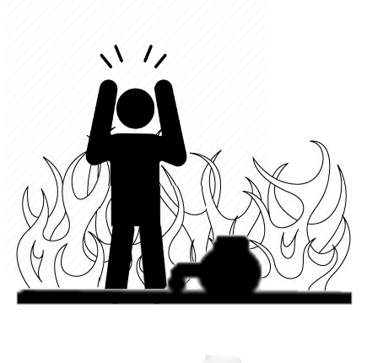
 | Location | Everywhere
 | Target | Entire body
 | Activity | Normal operation
 | Task | Driving

 | Sub Task | Both when charging and on idle state

 | Hazard Type | Burning
 | Sub Type | /
 | Description | Damaged batteries can cause the robot to catch fire during operation or charging.

 | References:
 | Risk Estimation and Evaluation
 | Degree of Possible Harm: |  |  | 1 | Possibility of Avoidance: |  |  | 0.75
 | Probability of Occurance of a Hazardous Event: |  |  | 1.25 | Frequency And/or Duration of Exposure: |  |  | 3
 | Pilz Hazard Rating (PHR): |  |  | 2.8125 | Summary Level: |  | Negligible Risk
 | Risk Reduction |  |  |  |  |  | Reference
 | the Batteries have a battery management system (BMS) that will make sure the batteries wont overcharge or undercharge. Also it is protected against shorts. The motor heat can be solved by using more advanced stepper drivers so the motors use less current for the same motion. That way they also be a lot cooler.

 | Risk Estimation and Evaluation
 | Degree of Possible Harm: |  |  | 1 | Possibility of Avoidance: |  |  | 0.75
 | Probability of Occurance of a Hazardous Event: |  |  | 1.25 | Frequency And/or Duration of Exposure: |  |  | 0.5
 | Pilz Hazard Rating (PHR): |  |  | 0.46875 | Summary Level: |  | Negligible Risk

 | Hazard Identification |  |  |  |  |  | Hazard No. | 1.4
 | Title | Burning Hazard |  |  |  | 
 | Location | Everywhere
 | Target | Arms and feet
 | Activity | Touching or picking up the RILey
 | Task | Being on

 | Sub Task | On idle state, or when moving a lot

 | Hazard Type | Burning skin
 | Sub Type | /
 | Description | The heat of the motors can be arround 70 to 85 degrees that will be sufficient to small degree of burning skin upon contact.

 | References:
 | Risk Estimation and Evaluation
 | Degree of Possible Harm: |  |  | 1 | Possibility of Avoidance: |  |  | 0.75
 | Probability of Occurance of a Hazardous Event: |  |  | 2.5 | Frequency And/or Duration of Exposure: |  |  | 4
 | Pilz Hazard Rating (PHR): |  |  | 7.5 | Summary Level: |  | Negligible Risk
 | Risk Reduction |  |  |  |  |  | Reference

 | Risk Estimation and Evaluation
 | Degree of Possible Harm: |  |  | 1 | Possibility of Avoidance: |  |  | 0.75
 | Probability of Occurance of a Hazardous Event: |  |  | 2.5 | Frequency And/or Duration of Exposure: |  |  | 4
 | Pilz Hazard Rating (PHR): |  |  | 7.5 | Summary Level: |  | Negligible Risk

 | Hazard Identification |  |  |  |  |  | Hazard No. | 1.5
 | Title | Crushing Hazard |  |  |  | 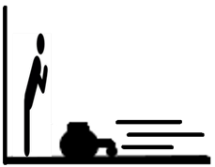
 | Location | Everywhere
 | Target | Feet
 | Activity | Normal operation
 | Task | Driving

 | Sub Task | Both autonomous and manual operation

 | Hazard Type | Scratched skin
 | Sub Type | /
 | Description | The sheer mass, sharp edges and destructive speed the RILey can accieve.

 | References:
 | Risk Estimation and Evaluation
 | Degree of Possible Harm: |  |  | 0.25 | Possibility of Avoidance: |  |  | 0.75
 | Probability of Occurance of a Hazardous Event: |  |  | 2.5 | Frequency And/or Duration of Exposure: |  |  | 2
 | Pilz Hazard Rating (PHR): |  |  | 0.9375 | Summary Level: |  | Negligible Risk
 | Risk Reduction |  |  |  |  |  | Reference

 | Risk Estimation and Evaluation
 | Degree of Possible Harm: |  |  | 0.25 | Possibility of Avoidance: |  |  | 0.75
 | Probability of Occurance of a Hazardous Event: |  |  | 2.5 | Frequency And/or Duration of Exposure: |  |  | 2
 | Pilz Hazard Rating (PHR): |  |  | 0.9375 | Summary Level: |  | Negligible Risk

3.6 Priority Listing

 | Priority | Hazard No. | Hazard Name |  | PHR | Risk Level
 | 1 | 1.1 | Falling Hazard |  | 187.5 | High Risk
 | 2 | 1.2 | Tripping |  | 75 | Significant Risk
 | 3 | 1.4 | Burning Hazard |  | 7.5 | Negligible Risk
 | 4 | 1.3 | Fire Hazard |  | 2.8125 | Negligible Risk
 | 5 | 1.5 | Crushing Hazard |  | 0.9375 | Negligible Risk

3.7 Risk Reduction

 | Due to the hazards detailed in the earlier section 3.6 Findings, it is necessary to carry out a risk reduction for each hazard where the estimated risk is determined to be unacceptable as detailed in the findings.
 | After the required safety measures are implemented it will be necessary to ensure that the risk posed by each hazard has been reduced to the level specified in this document by performing a final risk evaluation.
 | On completion of the risk reduction measures and the final risk evaluation, the residual risk associated with all hazards will have to be assessed and documented as part of the risk assessment report. This is the possible risk that a hazard may possess even after risk reduction measures have been implemented due to the fact that it was not possible to design a complete safety solution to eradicate the risk.
 | In order to inform the user of these residual risks related with the machine that have not been reduced by the design of contra measures, special indications should be included in the operator procedure documentation and warnings should be placed on the machine.

4 Conclusion

 | Overall, when the Riley robot is operational it forms a verly low risk for people and its surrounding. When its in operation mode it can attain the risk level required for compliance to the ISO/TS 15066, however some of the risk sources listed in section 3.5 and 3.6 requires further risk reduction.

 | Eindhoven,
 | 16th of May 2022

